GUI CGI SPEC
Xmind
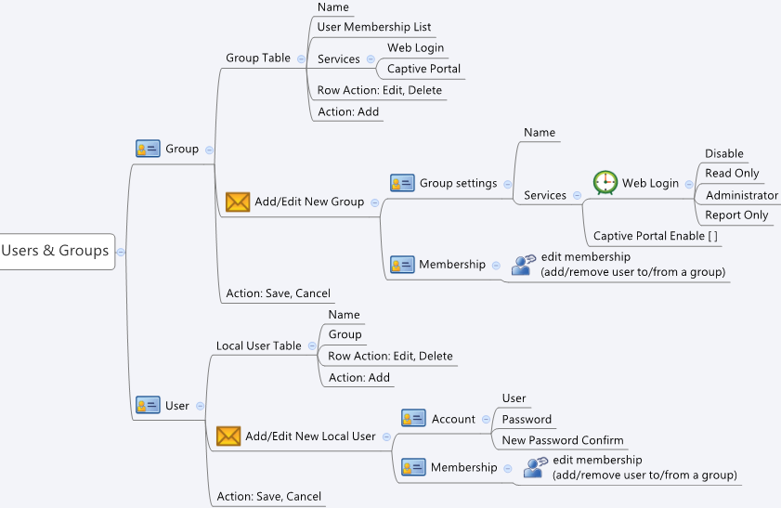

Behavior
# There will be a "default" group, the "default" group should be un-deletable, but modifiable
# If a group is deleted, the users belog to that group should be move to "default" group (update "default" group)
# The "cgiAction" is a hidden value, it should be set for CGI to know what to do (0:none, 1:add, 2:update, 3:delete)
# If Group(/User) is modified, it should be saved before changing to User(/Group) tab
# Limitations: Max group Table Size = 50
# Limitations: Max user Table Size = 1000
# Limitations: Max members per group = 100
[UI Display Name] | [CGI Name] | [JSON Name] | [Description]
# Group Table :
(gid) | groupList.cgi | groupListT.gid
Name | groupList.cgi | groupListT.name | length: 31. All viewable ASCII code except (whitespace) ‘ ` “ % ?
User Membership List | userList.cgi | userListT.grpId | show userListT.name(s) which userListT.group = groupListT.gid
Services | groupList.cgi | groupListT.webLoginPriv | 0: Disable, 1: Read Only, 3: Administrator (default:3)
 | groupList.cgi | groupListT.portalPriv | 0: Disable, 1: Enable (default: 1)

# Local User Table :
(gid) | userList.cgi | userListT.gid
Name | userList.cgi | userListT.name | length: 31. All viewable ASCII code except (whitespace) ‘ ` “ % ?
Group | userList.cgi | userListT.groupId | show groupListT.name which userListT.groupId = groupListT.gid

# Add/Edit/Delete Group
(gid) | groupList.cgi | groupListT.gid
Name | groupList.cgi | groupListT.name | length: 31. All viewable ASCII code except (whitespace) ‘ ` “ % ?
Services - Web Login | groupList.cgi | groupListT.webLoginPriv | 0: Disable, 1: Read Only, 3: Administrator (default:3)
Services - Captive Portal | groupList.cgi | groupListT.portalPriv | 0: Disable, 1: Enable (default: 1)
Membership | groupList.cgi | groupListT.cgiSetListId | put the user's gid(s) in this list (ex. "269811712;269811713;269811714")

# Add/Edit/Delete User
(gid) | userList.cgi | userListT.gid
User | userList.cgi | userListT.name | length: 31. All viewable ASCII code except (whitespace) ‘ ` “ % ?
Password | userList.cgi | userListT.password | length: 31
Membership | userList.cgi | userListT.groupId | gid of group
(N/A) | userList.cgi | userListT.cgiSetPwd | set this to 1, if the user password is going to be changed

JSON String
### GET groupList.cgi ###
{
"groupListT":
[
{"gid":"269811712","name":"default","webLoginPriv":"1","portalPriv":"0","cgiSetListId":"","cgiAction":"0"},
{"gid":"269811713","name":"reportGroup","webLoginPriv":"2","portalPriv":"0","cgiSetListId":"","cgiAction":"0"},
{"gid":"269811714","name":"mngGroup","webLoginPriv":"3","portalPriv":"1","cgiSetListId":"","cgiAction":"0"},
{"gid":"269811715","name":"captiveGroup","webLoginPriv":"0","portalPriv":"1","cgiSetListId":"","cgiAction":"0"}
]
}
### GET userList.cgi ###
{
"userListT":
[
{"gid":"269746176","name":"userA","password":"1OTdkMmNmZA==","groupId":"269811714","cgiSetPwd":"0","cgiAction":"0"},
{"gid":"269746177","name":"userB","password":"1OTdkMmNmZA==","groupId":"269811713","cgiSetPwd":"0","cgiAction":"0"},
{"gid":"269746178","name":"userC","password":"1OTdkMmNmZA==","groupId":"269811712","cgiSetPwd":"0","cgiAction":"0"},
{"gid":"269746179","name":"userD","password":"1OTdkMmNmZA==","groupId":"269811713","cgiSetPwd":"0","cgiAction":"0"},
{"gid":"269746180","name":"userE","password":"1OTdkMmNmZA==","groupId":"269811713","cgiSetPwd":"0","cgiAction":"0"}
]
}
============================================================================================
### POST to groupList.cgi to add/edit/delete group ###
### ex. group captiveGroup(1504) is going to be deleted => update its user(s) to "default" group ###
{
"groupListT":
[
{"gid":"269811712","name":"default","webLoginPriv":"1","portalPriv":"0","cgiSetListId":"269746177;269746179","cgiAction":"2"},
{"gid":"269811713","name":"reportGroup","webLoginPriv":"2","portalPriv":"0","cgiSetListId":"269746180","cgiAction":"0"},
{"gid":"269811714","name":"mngGroup","webLoginPriv":"3","portalPriv":"1","cgiSetListId":"269746176","cgiAction":"0"},
{"gid":"269811715","name":"captiveGroup","webLoginPriv":"0","portalPriv":"1","cgiSetListId":"","cgiAction":"3"},
{"gid":"0","name":"newGroup","webLoginPriv":"0","portalPriv":"1","cgiSetListId":"269746178","cgiAction":"1"}
]
}
### POST to userList.cgi to add/edit/delete user ###
{
"userListT":
[
{"gid":"269746176","name":"userA","password":"1OTdkMmNmZA==","groupId":"269811714","cgiSetPwd":"0","cgiAction":"0"},
{"gid":"269746177","name":"userB","password":"ADFASGASGAH==","groupId":"269811712","cgiSetPwd":"1","cgiAction":"2"},
{"gid":"269746178","name":"userC","password":"1OTdkMmNmZA==","groupId":"269811715","cgiSetPwd":"0","cgiAction":"0"},
{"gid":"269746179","name":"userD","password":"1OTdkMmNmZA==","groupId":"269811712","cgiSetPwd":"0","cgiAction":"0"},
{"gid":"269746180","name":"userE","password":"1OTdkMmNmZA==","groupId":"269811713","cgiSetPwd":"0","cgiAction":"0"}
]
}

